Sheet3
 | No. of ice cream eaten per day | TV watching (Hours per week) | Video game watching (Hours per week) | Mark (4)
1 | 2 | 39 | 41
2 | 1 | 42 | 41
3 | 2 | 63 | 56
4 | 2 | 39 | 51
5 | 2 | 45 | 31
6 | 2 | 40 | 41
7 | 1 | 47 | 51
8 | 2 | 44 | 48
9 | 1 | 44 | 51
10 | 1 | 53 | 61
11 | 1 | 39 | 36
12 | 1 | 39 | 46
13 | 1 | 47 | 61
14 | 3 | 42 | 56
15 | 3 | 26 | 42
16 | 2 | 36 | 36
17 | 1 | 44 | 41
18 | 1 | 44 | 36
19 | 2 | 44 | 51
20 | 3 | 61 | 61

a) What is the correlation coefficient between

i) Ice-cream eating and TV-watching (1 mark) |  |  |  |  | #N/A
ii) Ice-cream eating and video game-playing (1 mark) |  |  |  |  | 0.12822380421
iii) TV-watching and video game-playing (1 mark) |  |  |  |  | 0.58964151813

b) What conclusion can you draw from the result? (1 mark)

 |  |  |  | Word Count: 0 | Max Words: 100

Section: Qn 8a

Q18: | The pie charts below show a breakdown of the mothers' age, ethnic group and education level when they gave birth to their first child. List 2 insights that you can obtain from these 3 charts. | Mark (2)

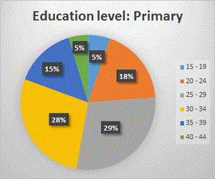
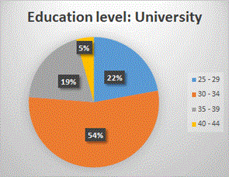
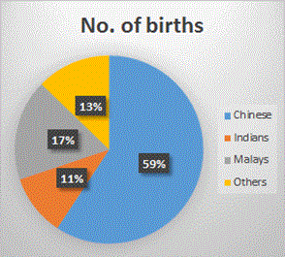

 | Word Count: 0 | Max Words: 100

Section: Qn 8b

Q19: | The table below contains data of women when they gave birth to their first child. Analyze the data in the table using Excel and answer the following questions.

 | Year | Average age of mother | No. of births
 | 2015 | 22 | 2557
 | 2015 | 27 | 3733
 | 2015 | 32 | 5703
 | 2015 | 37 | 9102
 | 2015 | 42 | 1675
 | 2014 | 22 | 2120
 | 2014 | 27 | 7870
 | 2014 | 32 | 8092
 | 2014 | 37 | 5178
 | 2014 | 42 | 1024
 | 2013 | 22 | 2191
 | 2013 | 27 | 7543
 | 2013 | 32 | 9502
 | 2013 | 37 | 4946
 | 2013 | 42 | 991
 | 2012 | 22 | 2533
 | 2012 | 27 | 8250
 | 2012 | 32 | 10411
 | 2012 | 37 | 5172
 | 2012 | 42 | 985
 | 2011 | 22 | 2465
 | 2011 | 27 | 18107
 | 2011 | 32 | 9436
 | 2011 | 37 | 4957
 | 2011 | 42 | 907

